Sheet1
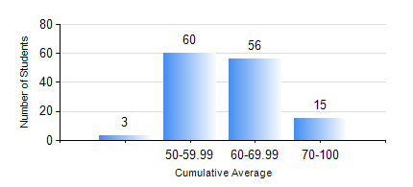
 |  |  | KWAME NKRUMAH UNIVERSITY OF SCIENCE AND TECHNOLOGY, KUMASI Department of Agricultural and Biosystems Engineering

 |  |  | BSC. AGRICULTURAL ENG.

 |  |  | COMPREHENSIVE RECORD OF EXAMINATION RESULTS

 |  |  | RESULTS OF YEAR 4 SECOND SEMESTER, 2021/2022 ACADEMIC YEAR

 | Sn | Course Code |  | Course Name | Credit Hours | Min. Mark | Max. Mark | Avg. Mark | Std. Dev. | No. Passed | No. Trailed | No. (Df) | No. (I) | No. (I*) | No. Tagged(I,I*,Df) | Total
 | 1. | AE 452 |  | SOIL AND WATER ENGINEERING II | 3 | 40 | 89 | 59 | 10.78 | 134 | 0 | 0 | 0 | 0 | 0 | 134
 | 2. | AE 458 |  | CROP LOSSES AND THEIR CONTROL | 2 | 47 | 86 | 70 | 7.2 | 134 | 0 | 0 | 0 | 0 | 0 | 134
 | 3. | AE 460 |  | MAINTENANCE AND REPAIRS OF AGRIC. MACHINERY | 2 | 56 | 91 | 78 | 7.83 | 134 | 0 | 0 | 0 | 0 | 0 | 134
 | 4. | AE 464 |  | CROP STORAGE AND STORAGE STRUCTURES | 3 | 40 | 83 | 63 | 9.68 | 134 | 0 | 0 | 0 | 0 | 0 | 134
 | 5. | AE 482 |  | FARM MACHINERY DESIGN | 2 | 41 | 95 | 71 | 11.77 | 134 | 0 | 0 | 0 | 0 | 0 | 134
 | 6. | AE 498 |  | PROJECT II | 5 | 45 | 94 | 76 | 9.21 | 133 | 0 | 1 | 0 | 0 | 1 | 134
 | 7. | ME 492 |  | MANAGEMENT AND ENTREPRENEURSHIP DEVELOPMENT | 2 | 41 | 67 | 55 | 6 | 134 | 0 | 0 | 0 | 0 | 0 | 134

